CS Staffing Plan UPDATED
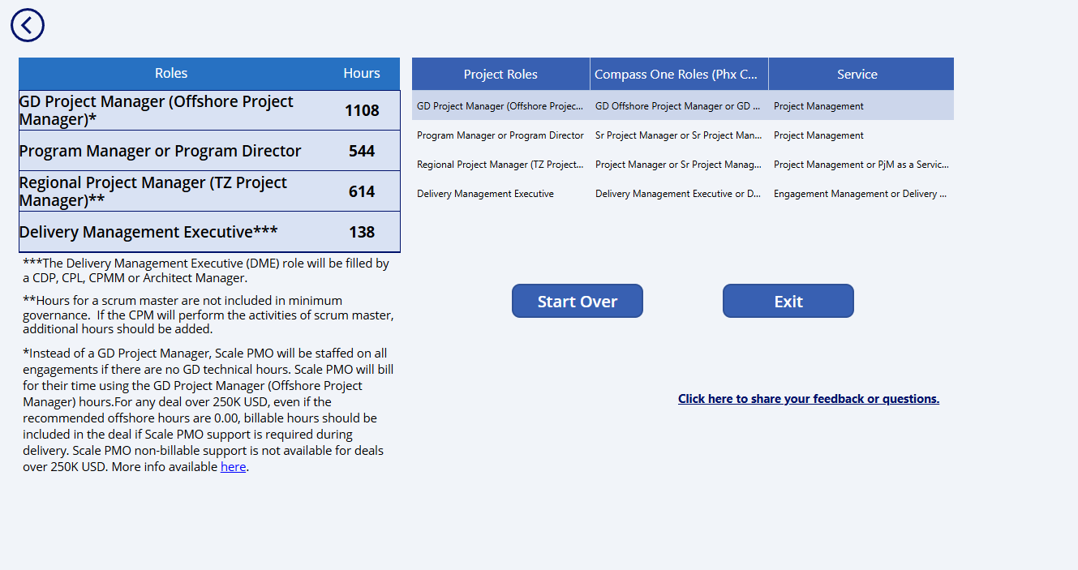
 |  |  | Pre-Init | Sprint 0 |  | Sprint 1 |  | Sprint 2 |  | Sprint 3 |  | Sprint 4 |  | Sprint 5 |  | Sprint 6 |  | Sprint 7 |  | Sprint 8 |  | Sprint 9 |  | Sprint 10 |  | Sprint 11 |  | Sprint 12
Role | Role Title | Total Hours | WK0 | WK1 | WK2 | WK3 | WK4 | WK5 | WK6 | WK7 | WK8 | WK9 | WK10 | WK11 | WK12 | WK13 | WK14 | WK15 | WK16 | WK17 | WK18 | WK19 | WK20 | WK21 | WK22 | WK23 | WK24 | WK25 | WK26 | WK27 | WK28 | WK29 | WK30 | WK31 | WK32 | WK33 | WK34 | WK35 | WK36 | WK37 | WK38 | WK39 | WK40
Governance Team | 15.60% |  | 6-Jul-26 | 13-Jul-26 | 20-Jul-26 | 27-Jul-26 | 3-Aug-26 | 10-Aug-26 | 17-Aug-26 | 24-Aug-26 | 31-Aug-26 | 7-Sep-26 | 14-Sep-26 | 21-Sep-26 | 28-Sep-26 | 5-Oct-26 | 12-Oct-26 | 19-Oct-26 | 26-Oct-26 | 2-Nov-26 | 9-Nov-26 | 16-Nov-26 | 23-Nov-26 | 30-Nov-26 | 7-Dec-26 | 14-Dec-26 | 21-Dec-26 | 28-Dec-26 | 4-Jan-27
DME | Delivery Management Executive | 110 | 6 | 4 | 4 | 4 | 4 | 4 | 4 | 4 | 4 | 4 | 4 | 4 | 4 | 4 | 4 | 4 | 4 | 4 | 4 | 4 | 4 | 4 | 4 | 4 | 4 | 4 | 4
Program Architect | Program Architect | 240 | 8 | 16 | 16 | 16 | 8 | 8 | 8 | 8 | 8 | 8 | 8 | 8 | 8 | 8 | 8 | 8 | 8 | 8 | 8 | 8 | 8 | 8 | 8 | 8 | 8 | 8 | 8
Project Manager | Senior Project Manager | 720 | 16 | 32 | 32 | 32 | 32 | 32 | 32 | 32 | 32 | 32 | 32 | 24 | 24 | 24 | 24 | 24 | 24 | 24 | 24 | 24 | 24 | 24 | 24 | 24 | 24 | 24 | 24
Scrum Master / Project Manager | GD Offshore | 480 | 8 | 24 | 24 | 24 | 24 | 24 | 24 | 24 | 16 | 16 | 16 | 16 | 16 | 16 | 16 | 16 | 16 | 16 | 16 | 16 | 16 | 16 | 16 | 16 | 16 | 16 | 16
TQA | GD Offshore | 68 |  | 2 | 2 | 2 | 2 | 2 | 2 | 2 | 2 | 2 | 2 | 3 | 3 | 3 | 3 | 3 | 3 | 3 | 3 | 3 | 3 | 3 | 3 | 3 | 3 | 3 | 3
In Vehicle (Edge) - Agentic Solution -AI SLM, Model Tuning | 83.45%
Prin Data Scientist - Charlie Gu | Principal Data Scientist | 903 | 24 | 40 | 40 | 40 | 40 | 40 | 39 | 32 | 32 | 32 | 32 | 32 | 32 | 32 | 32 | 32 | 32 | 32 | 32 | 32 | 32 | 32 | 32 | 32 | 32 | 32 | 32
Sr. Data Scientist Zachary Hou | Data Scientist | 384 |  |  |  |  |  |  |  |  |  |  |  |  |  | 32 | 32 | 32 | 32 | 32 | 32 | 32 | 32 | 32 | 32 | 32 | 32
Sr. Data Scientist Yoi Xiang | Data Scientist | 840 | 8 | 40 | 40 | 40 | 40 | 32 | 32 | 32 | 32 | 32 | 32 | 32 | 32 | 32 | 32 | 32 | 32 | 32 | 32 | 32 | 32 | 32 | 32 | 24 | 24 | 24 | 24
Sr. Data Scientist Murumalla Krishnakant Achary | Data Scientist | 840 | 8 | 40 | 40 | 40 | 40 | 32 | 32 | 32 | 32 | 32 | 32 | 32 | 32 | 32 | 32 | 32 | 32 | 32 | 32 | 32 | 32 | 32 | 32 | 24 | 24 | 24 | 24
Sr. Data Scientist | Data Scientist | 384 |  |  |  |  |  |  |  |  |  |  |  |  |  | 32 | 32 | 32 | 32 | 32 | 32 | 32 | 32 | 32 | 32 | 32 | 32
Sr. Consultant Yifeng Li | Senior Consultant | 840 |  | 40 | 40 | 40 | 40 | 40 | 32 | 32 | 32 | 32 | 32 | 32 | 32 | 32 | 32 | 32 | 32 | 32 | 32 | 32 | 32 | 32 | 32 | 24 | 24 | 24 | 24
Consultant / Developer | GD Offshore | 1040 |  | 40 | 40 | 40 | 40 | 40 | 40 | 40 | 40 | 40 | 40 | 40 | 40 | 40 | 40 | 40 | 40 | 40 | 40 | 40 | 40 | 40 | 40 | 40 | 40 | 40 | 40
Consultant / Developer | GD Offshore | 1040 |  | 40 | 40 | 40 | 40 | 40 | 40 | 40 | 40 | 40 | 40 | 40 | 40 | 40 | 40 | 40 | 40 | 40 | 40 | 40 | 40 | 40 | 40 | 40 | 40 | 40 | 40
Consultant / Developer | GD Offshore | 1040 |  | 40 | 40 | 40 | 40 | 40 | 40 | 40 | 40 | 40 | 40 | 40 | 40 | 40 | 40 | 40 | 40 | 40 | 40 | 40 | 40 | 40 | 40 | 40 | 40 | 40 | 40
Consultant / Developer | GD Offshore | 1040 |  | 40 | 40 | 40 | 40 | 40 | 40 | 40 | 40 | 40 | 40 | 40 | 40 | 40 | 40 | 40 | 40 | 40 | 40 | 40 | 40 | 40 | 40 | 40 | 40 | 40 | 40
Consultant / Developer | GD Offshore | 1040 |  | 40 | 40 | 40 | 40 | 40 | 40 | 40 | 40 | 40 | 40 | 40 | 40 | 40 | 40 | 40 | 40 | 40 | 40 | 40 | 40 | 40 | 40 | 40 | 40 | 40 | 40
Consultant / Developer | GD Offshore | 1040 |  | 40 | 40 | 40 | 40 | 40 | 40 | 40 | 40 | 40 | 40 | 40 | 40 | 40 | 40 | 40 | 40 | 40 | 40 | 40 | 40 | 40 | 40 | 40 | 40 | 40 | 40
Consultant / Developer | GD Offshore | 1040 |  | 40 | 40 | 40 | 40 | 40 | 40 | 40 | 40 | 40 | 40 | 40 | 40 | 40 | 40 | 40 | 40 | 40 | 40 | 40 | 40 | 40 | 40 | 40 | 40 | 40 | 40
Consultant / Developer | GD Offshore | 1048 | 8 | 40 | 40 | 40 | 40 | 40 | 40 | 40 | 40 | 40 | 40 | 40 | 40 | 40 | 40 | 40 | 40 | 40 | 40 | 40 | 40 | 40 | 40 | 40 | 40 | 40 | 40
Consultant / Developer | GD Offshore | 500 |  | 40 | 40 | 40 | 40 | 40 | 40 | 40 | 40 | 40 | 40 | 40 | 40 | 20
Consultant / Developer | GD Offshore | 1040 |  | 40 | 40 | 40 | 40 | 40 | 40 | 40 | 40 | 40 | 40 | 40 | 40 | 40 | 40 | 40 | 40 | 40 | 40 | 40 | 40 | 40 | 40 | 40 | 40 | 40 | 40
DCPS | 0.96%
DSA | Domain Solution Architect | 39 | 2 | 2 | 2 | 2 | 2 | 2 | 2 | 2 | 2 | 2 | 2 | 2 | 1 | 1 | 1 | 1 | 1 | 1 | 1 | 1 | 1 | 1 | 1 | 1 | 1 | 1 | 1
GD offshore cons | GD Offshore | 156 | 8 | 8 | 8 | 8 | 8 | 6 | 6 | 6 | 6 | 6 | 6 | 6 | 6 | 6 | 6 | 6 | 6 | 6 | 6 | 6 | 6 | 6 | 4 | 4 | 2 | 2 | 2

